Screenshots - Errors
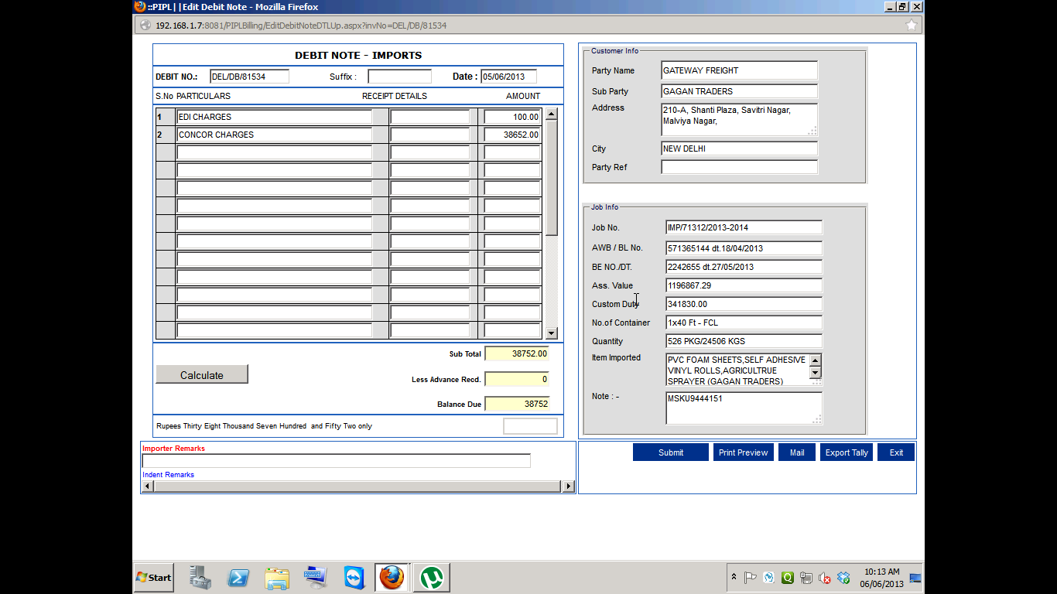
Error-1

